EPI and EC
Territory | Enabling.Conditions | Economic.Viability | Social.Equity | Environmental.Performance.Index | GDP.per.capita.PPP | HDI | HDI Category | Region | Subregion | SIDS
Antigua and Barbuda | 63.7 | 42.3 | 60.4 | 52.4 | 25,337 | 0.776 | High | Americas | Caribbean | 1
Argentina | 65.2 | 44.7 | 53.2 | 41.1 | 26,505 | 0.83 | High | Americas | South America | 0
Bahamas | 65 | 46 | 61.6 | 56.2 | 40,379 | 0.805 | High | Americas | Caribbean | 1
Barbados | 66 | 47.3 | 64.4 | 53.2 | 17,837 | 0.813 | High | Americas | Caribbean | 1 | Enabling Conditions Score (Social Equity and Economic Viability) | Environmental Performance Index
Belize | 54.2 | 33 | 53 | 50 | 11,451 | 0.72 | High | Americas | Central America | 1 | https://www.nature.com/articles/s41586-021-03327-3 | https://epi.yale.edu/
Brazil | 55.8 | 39.3 | 40.8 | 43.6 | 17,822 | 0.761 | High | Americas | South America | 0
Chile | 74 | 56.7 | 65.2 | 46.7 | 30,209 | 0.847 | High | Americas | South America | 0
Colombia | 52 | 47 | 33 | 42.4 | 20,287 | 0.761 | High | Americas | South America | 0
Costa Rica | 67.6 | 47.7 | 66.2 | 46.3 | 24,923 | 0.794 | High | Americas | Central America | 0
Cuba | 55.5 | 36.3 | 46.4 | 47.5 | 9,499 | 0.778 | High | Americas | Caribbean | 1
Dominica | 55.9 | 38.3 | 53.4 | 51.2 | 13,573 | 0.724 | High | Americas | Caribbean | 1
Dominican Republic | 53.2 | 36.3 | 39.2 | 42.2 | 22,834 | 0.745 | High | Americas | Caribbean | 1
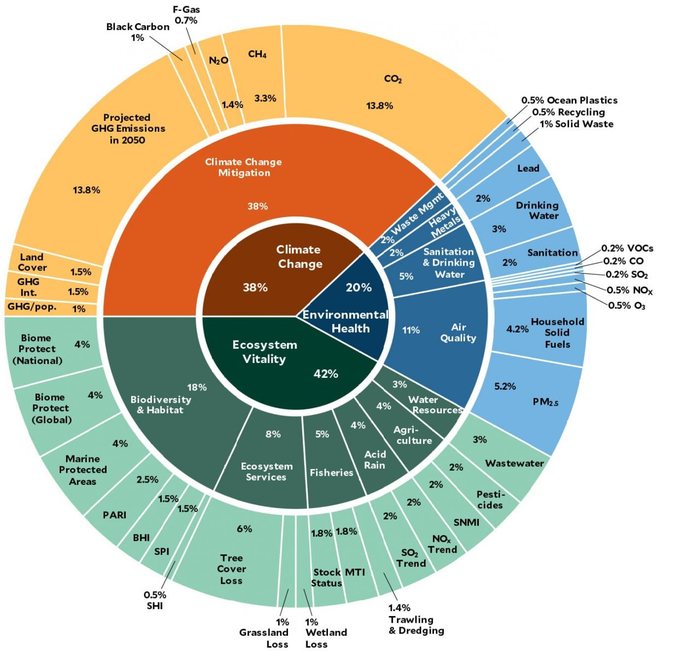
Ecuador | 52.5 | 32.3 | 36.4 | 46.5 | 12,822 | 0.758 | High | Americas | South America | 0
El Salvador | 52.8 | 37 | 43.4 | 40.8 | 11,096 | 0.667 | Medium | Americas | Central America | 0
Grenada | 58.3 | 38.7 | 58.6 | 47.9 | 16,987 | 0.763 | High | Americas | Caribbean | 1
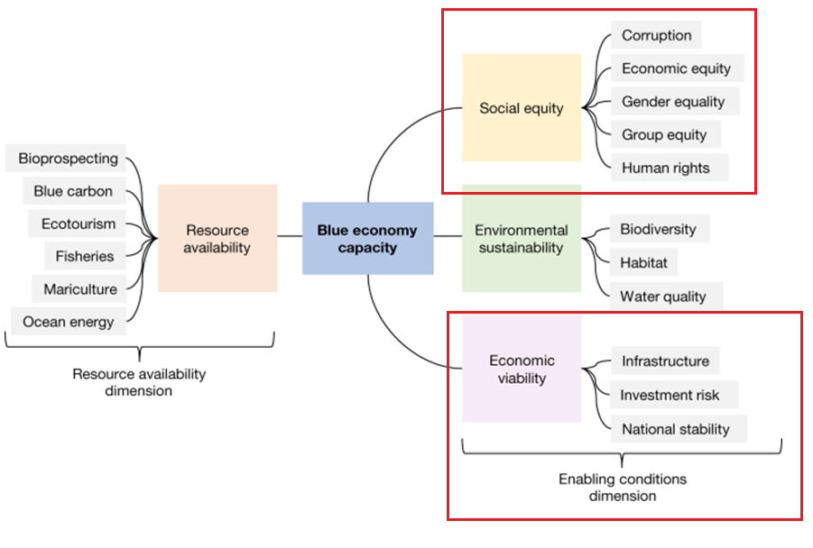
Guatemala | 45.4 | 29.3 | 28.8 | 28 | 10,818 | 0.651 | Medium | Americas | Central America | 0
Guyana | 54.9 | 28 | 44 | 38.5 | 40,642 | 0.67 | Medium | Americas | South America | 1
Haiti | 36.3 | 13.3 | 19 | 26.1 | 3,305 | 0.503 | Low | Americas | Caribbean | 1
Honduras | 54.3 | 39.7 | 36 | 36.5 | 6,741 | 0.623 | Medium | Americas | Central America | 0
Jamaica | 58 | 45 | 52.4 | 45.6 | 11,822 | 0.726 | High | Americas | Caribbean | 1
Mexico | 55.3 | 37 | 40.8 | 45.5 | 21,512 | 0.767 | High | Americas | Central America | 0
Nicaragua | 46 | 25.3 | 35.8 | 37.7 | 6,875 | 0.651 | Medium | Americas | Central America | 0
Panama | 58.7 | 50.3 | 48 | 50.5 | 39,280 | 0.795 | High | Americas | Central America | 0
Peru | 52.2 | 37.3 | 41.2 | 39.8 | 15,048 | 0.759 | High | Americas | South America | 0
Saint Lucia | 56.3 | 37.3 | 52.6 | 49.4 | 17,756 | 0.745 | High | Americas | Caribbean | 1
Saint Vincent and the Grenadines | 58.5 | 33.7 | 53.6 | 53.2 | 17,206 | 0.728 | High | Americas | Caribbean | 1
Suriname | 57.7 | 34 | 44.2 | 45.9 | 17,620 | 0.724 | High | Americas | South America | 1
Trinidad and Tobago | 61.5 | 45 | 51.6 | 47.8 | 27,778 | 0.799 | High | Americas | Caribbean | 1
Uruguay | 71.7 | 56.3 | 71.8 | 37.4 | 28,842 | 0.808 | High | Americas | South America | 0
Venezuela | 43.6 | 20.3 | 23.2 | 46.4 | 7,990 | 0.726 | High | Americas | South America | 0

